Screen Description
 |  |  | [ros-2018] BASIC DESIGN |  |  | System name |  |  | Screen/Module Name
 |  |  |  |  |  | Golden Bowl |  |  | Order Page |  |  |  |  | Version | 2.000
 |  |  |  |  |  |  |  |  |  |  |  |  |  | Create Date | 2018-07-29 | Created By | Oplas, Andrew
 |  |  |  |  |  |  |  |  |  |  |  |  |  | Update Date | 2018-10-17 | Updated by | Oplas, Andrew

Screen Description |  |  |  |  |  |  |  |  |  |  |  |  |  | Purpose

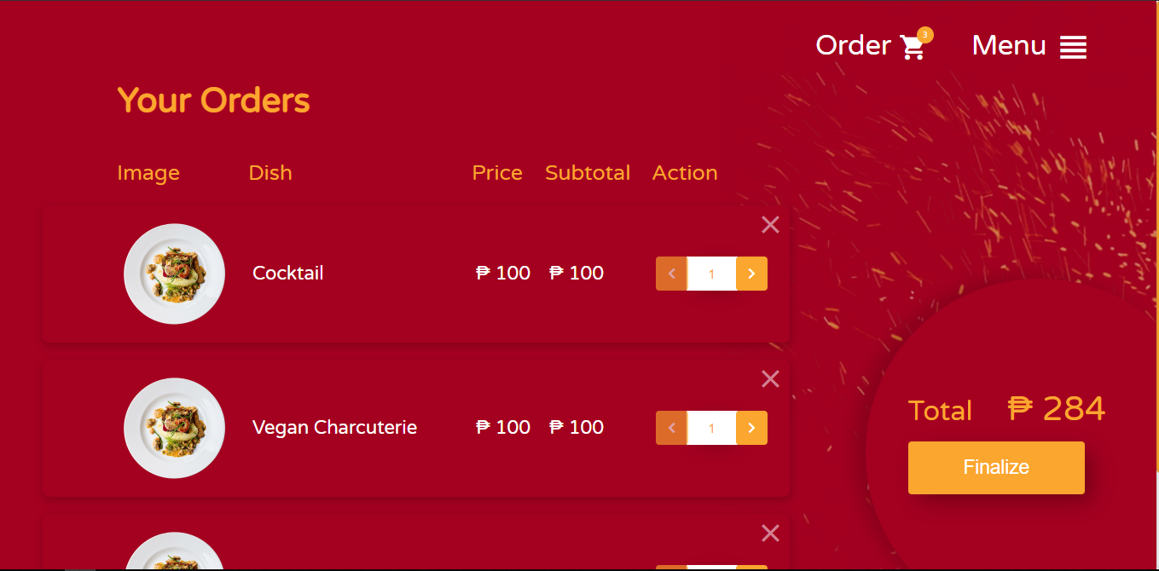
 |  |  |  |  |  |  |  |  |  |  |  |  |  | The main purpose of this screen is to show the user of his/her ordered menu items. The user can also edit the quantity of certain ordered menu items as well as remove it from his/her order.

 |  |  |  |  |  |  |  |  |  |  |  |  |  | Flow

 |  |  |  |  |  |  |  |  |  |  |  |  |  | The user may go back to the Menu page or if the user decided that he/she is final with his/her decision of what he/she will eat, he/she can now finalize the order and will be redirectd to the waiting area page.

1
2
3
4
5
6

Screen Details

 | Item | Screen Item |  | Attribute | Mandatory |  | Range of Values | Format |  | Length | Default | Alignment | Remarks
 | 1 | txtQuantity |  | TextField | ○ |  | numeric values | N/A |  | 1 ~ 3 | 1 | Center

